Table 1
GOVERNMENT OF INDIA MINISTRY OF WATER RESOURCES CENTRAL GROUND WATER BOARD
DISTRICT GROUND WATER BROCHURE JANJGIR-CHAMPA DISTRICT CHHATTISGARH
Baloda

Akaltara |  |  |  |  |  |  |  |  |  |  |  |  |  |  |  |  |  | Sakti
    JANJGIR |  |  |  |  |  |  |  |  |  |  |  |  |  |  |  |  | Champa |  |  |  |  |  |  |  Malkharoda
 Pamgarh |  |  |  |  |  |  |  |  |  |  |  |  |  |  |  | Jaijaipur  
 Dabhra
Regional Director North Central Chhattisgarh Region, Reena Apartment, IInd Floor, NH-43, Pachpedi Naka, Raipur-492001 (C.G.) Ph. No. 0771-2413903, 2413689 E-mail: rdnccr- cgwb@nic.in
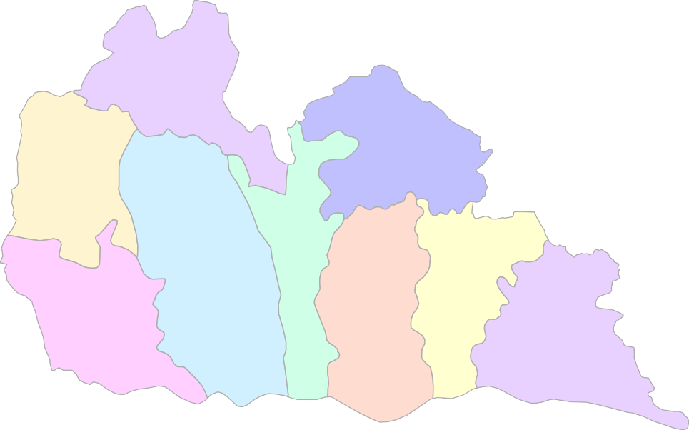

DISTRICT AT A GLANCE (JANJGIR-CHAMPA DISTRICT) By J.R.Verma, Scientist “B”
1 |  | GENERAL INFORMATION
 |  | i) Geographical area (Sq. km) |  |  |  |  |  |  |  |  |  |  |  |  |  |  |  |  |  |  |  |  | 4467
 |  | ii) Administrative Divisions (As on 2012) a) Number of Tehsil/ Block b) Number of Panchayat/ Villages |  |  |  |  |  |  |  |  |  |  |  |  |  |  |  |  |  |  |  |  | 8/9 528/898
 |  | iii) Population as on 2011 Census |  |  |  |  |  |  |  |  |  |  |  |  |  |  |  |  |  |  |  |  | 1620632
 |  | iv) Annual Normal Rainfall (IMD,2011) |  |  |  |  |  |  |  |  |  |  |  |  |  |  |  |  |  |  |  |  | 1282 mm
 |  | v) Average Annual Rainfall (1994-12) |  |  |  |  |  |  |  |  |  |  |  |  |  |  |  |  |  |  |  |  | 1164 mm
2 |  | GEOMORPHOLOGY
 |  | i) Major Physiographic Units |  |  |  |  |  |  |  |  |  |  |  |  |  |  |  |  |  |  |  |  | Two; Northern Hills, Chhattisgarh Plain
 |  | ii) Major Drainages |  |  |  |  |  |  |  |  |  |  |  |  |  |  |  |  |  |  |  |  | Mahanadi, Seonath, Hasdeo, Mand
3 |  | LAND USE (Sq. km) As on 2009
 |  | i) Forest Area |  |  |  |  |  |  |  |  |  |  |  |  |  |  |  |  |  |  |  |  | 892
 |  | ii) Net Area Sown |  |  |  |  |  |  |  |  |  |  |  |  |  |  |  |  |  |  |  |  | 2601
 |  | iii) Cultivable Area |  |  |  |  |  |  |  |  |  |  |  |  |  |  |  |  |  |  |  |  | 2713
4 |  | MAJOR SOIL TYPES |  |  |  |  |  |  |  |  |  |  |  |  |  |  |  |  |  |  |  |  | Red & yellow soil, Black soil
5 |  | AREA UNDER PRINCIPAL CROPS, in Sq. km (As on 2011) |  |  |  |  |  |  |  |  |  |  |  |  |  |  |  |  |  |  |  |  | Rice: 2046.55, Pulses:4.5 Wheat: 24.35, Oilseed: 15
6 |  | IRRIGATION BY DIFFERENT SOURCES (2011) (Areas in Sq. km. and Numbers of Structures)
 |  | i) Dugwells |  |  |  |  |  |  |  |  |  |  |  |  |  |  |  |  |  |  |  |  | 43/7346
 |  | ii) Tubewells/Borewells |  |  |  |  |  |  |  |  |  |  |  |  |  |  |  |  |  |  |  |  | 134/ 2825
 |  | iii) Canals |  |  |  |  |  |  |  |  |  |  |  |  |  |  |  |  |  |  |  |  | 2132/ 13(length: 310 km)
 |  | iv) Ponds |  |  |  |  |  |  |  |  |  |  |  |  |  |  |  |  |  |  |  |  | 36/7640
 |  | v) Other sources |  |  |  |  |  |  |  |  |  |  |  |  |  |  |  |  |  |  |  |  | 25
 |  | vi) Net Irrigated Area in Sq. km |  |  |  |  |  |  |  |  |  |  |  |  |  |  |  |  |  |  |  |  | 1905
 |  | vii) Gross Irrigated Area in Sq. km |  |  |  |  |  |  |  |  |  |  |  |  |  |  |  |  |  |  |  |  | 2369
7 |  | NUMBERS OF GROUND WATER MONITORING WELLS OF CGWB (As on 31.3.2012)
 |  | i) No of Dugwells |  |  |  |  |  |  |  |  |  |  |  |  |  |  |  |  |  |  |  |  | 26
 |  | ii) No of Piezometers |  |  |  |  |  |  |  |  |  |  |  |  |  |  |  |  |  |  |  |  | 15
8 |  |  | PREDOMINANT GEOLOGICAL FORMATIONS Archaeans: Unclassified Metamorphics, Granites and Gneiss Proterozoics: Chhattisgarh Supergroup (Sedimentaries)
9 |  |  | HYDROGEOLOGY
 |  |  | i) Major Water Bearing Formation |  |  |  |  |  |  |  |  |  |  |  |  |  |  |  |  |  |  |  | Proterozoic Sedimentaries (Limestone, Shale and Dolomites of Chhattisgarh Supergroup)
 |  |  | ii) Pre-monsoon Depth to Water Level During 2012 (mbgl) |  |  |  |  |  |  |  |  |  |  |  |  |  |  |  |  |  |  |  | 2.1 to 12.25, Avg.: 6.70
 |  |  | iii) Post-monsoon Depth to Water Level During 2012 (mbgl) |  |  |  |  |  |  |  |  |  |  |  |  |  |  |  |  |  |  |  | 0.40 to 8.50, Avg.: 3.00
 |  |  | iv) Long Term Water Level Trend (Post- Monsoon) in 10 yrs (2000-2011) in m/yr |  |  |  |  |  |  |  |  |  |  |  |  |  |  |  |  |  |  |  | Fall: 0 to 0.19 Rise: 0.06 to 0.69
10 |  |  | GROUND WATER EXPLORATION BY CGWB (As on 31.3.2012)
 |  |  | i) No of Wells Drilled |  |  |  |  |  |  |  |  |  |  |  |  |  |  |  |  |  |  |  | EW: 51, OW: 04, PZ: 15 , Total: 70
 |  |  | ii) Depth Range (m) |  |  |  |  |  |  |  |  |  |  |  |  |  |  |  |  |  |  |  | 67 to 200, Avg.: 140
 |  |  | iii) Discharge (litres per second) |  |  |  |  |  |  |  |  |  |  |  |  |  |  |  |  |  |  |  | 0.2 to 16, Avg.: 4.3
 |  |  | iv) Transmissivity (m2/day) |  |  |  |  |  |  |  |  |  |  |  |  |  |  |  |  |  |  |  | Chhattisgarh Supergroup: 5.1 to 130, Avg.: 42.31
11 |  |  | GROUND WATER QUALITY
 |  |  | i) Presence of Chemical Constituents More Than Permissible Limit (e.g. EC, F, As, Fe) |  |  |  |  |  |  |  |  |  |  |  |  |  |  |  |  |  |  |  | Some patches underlain by Bamnidih shale have high EC values upto 2200.
 |  |  | ii) Type of Water |  |  |  |  |  |  |  |  |  |  |  |  |  |  |  |  |  |  |  | Water is potable and fit for irrigation purpose
12 |  |  | DYNAMIC GROUND WATER RESOURCES (As on March 2009)- in mcm
 |  |  | i) Annual Replenishible Ground Water Resources |  |  |  |  |  |  |  |  |  |  |  |  |  |  |  |  |  |  |  | 393.96
 |  |  | ii) Net Annual Ground Water Draft |  |  |  |  |  |  |  |  |  |  |  |  |  |  |  |  |  |  |  | 161.85
 |  |  | iii) Projected Demands for Domestic and Industrial Uses upto 2025 |  |  |  |  |  |  |  |  |  |  |  |  |  |  |  |  |  |  |  | 39.94
 |  |  | iv) Stage of Ground Water Development |  |  |  |  |  |  |  |  |  |  |  |  |  |  |  |  |  |  |  | 43.25 %
13 |  |  | AWARENESS AND TRAINING ACTIVITY
 |  |  | Mass Awareness Programmes Organised Date: 15.02.2002, Place: Malkharoda Date: 21.12.2004, Place: Jaijaipur
 |  |  | Water Management Training Programmes Organised Date: 2002-03, Place: Arasmeta, Akaltara
14. EFFORTS OF ARTIFICIAL RECHARGE & RAIN WATER HARVESTING
i) Projects Completed by CGWB (No & Amount spent) ii) Projects Under Technical Guidance of CGWB (Numbers) |  |  |  |  |  |  |  |  |  |  |  |  |  |  |  |  |  |  |  |  |  |  |  | Nil Nil
15. GROUND WATER CONTROL AND REGULATION
i) Number of Over Exploited Blocks (Stage of Development > 100%) ii) Number of Critical Blocks (Stage of Development > 90%) |  |  |  |  |  |  |  |  |  |  |  |  |  |  |  |  |  |  |  |  |  | Nil Nil
iii) Number of Blocks Notified Nil 16. MAJOR GROUND WATER PROBLEMS AND ISSUES
A few areas mostly in Baloda, Malkharoda, Jaijaipur, Bamnidih and
Nawagarh blocks show decline in long term water level trend. Some patches underlain by Bamnidih shale have high EC values upto 2200.
1.0 INTRODUCTION The Janjgir-Champa district is bounded by East longitudes of 82°17’ to 83°19’ and by North Latitudes of 21°40’ to 22°15’30” having geographical area of 4467 sq. km. and is surrounded by Raigarh and Raipur district in South, Bilaspur district in west, Korba and Raigarh district in North and East respectively (Plate-I). The district falls under Survey of India toposheet no. 64J/8, 64J/12, 64J/16, 64K/5, 64K/6, 64K/9, 64K/10, 64K/13, 64K/14, 640/1, 64O/2, 64O/5 and 64N/4. The district head quarters Janjgir and Champa – the twin towns are well connected with roads as well as rail. National highway No. 200 passes through both the towns. Janjgir is 180 km from Raipur, 75 km from Bilaspur and 94 km from Raigarh. Both Janjgir and Champa are connected with Howrah and Mumbai by SECR Mumbai- Nagpur - Howrah main line. There is a good network of State Highways in the district. For the convenience of administration, the district is divided into eight tehsils, nine Community Development blocks and 528 no. of gram panchayats. The district has eight townships out of which five are Nagar Panchayats (Akaltara, Baloda, Kharod, Seorinarayan and Baradwar) 3 are Municipalty (Janjgir-Naila, Champa, Sakti). As per 2011 census the total population of the district is 1620632. The male population is 816057 and female population is 804575. The urban population is 11% and the rural population is. 89 % of the population in the district lives in the rural area. The population density calculated from 2001 Census is 342 where as in 2011 it is 421, which is the highest in the state. The literacy rate is around 61.72%. Cement, paper and steel are the main industries in the district. Madhya Bharat paper mill and Prakash Steel are located in Nawagarh and Bamnidih blocks respectively. Lafarge Cement plant, Arasmeta in Akaltara block is the largest industrial unit in the district. Low-gr

22° | 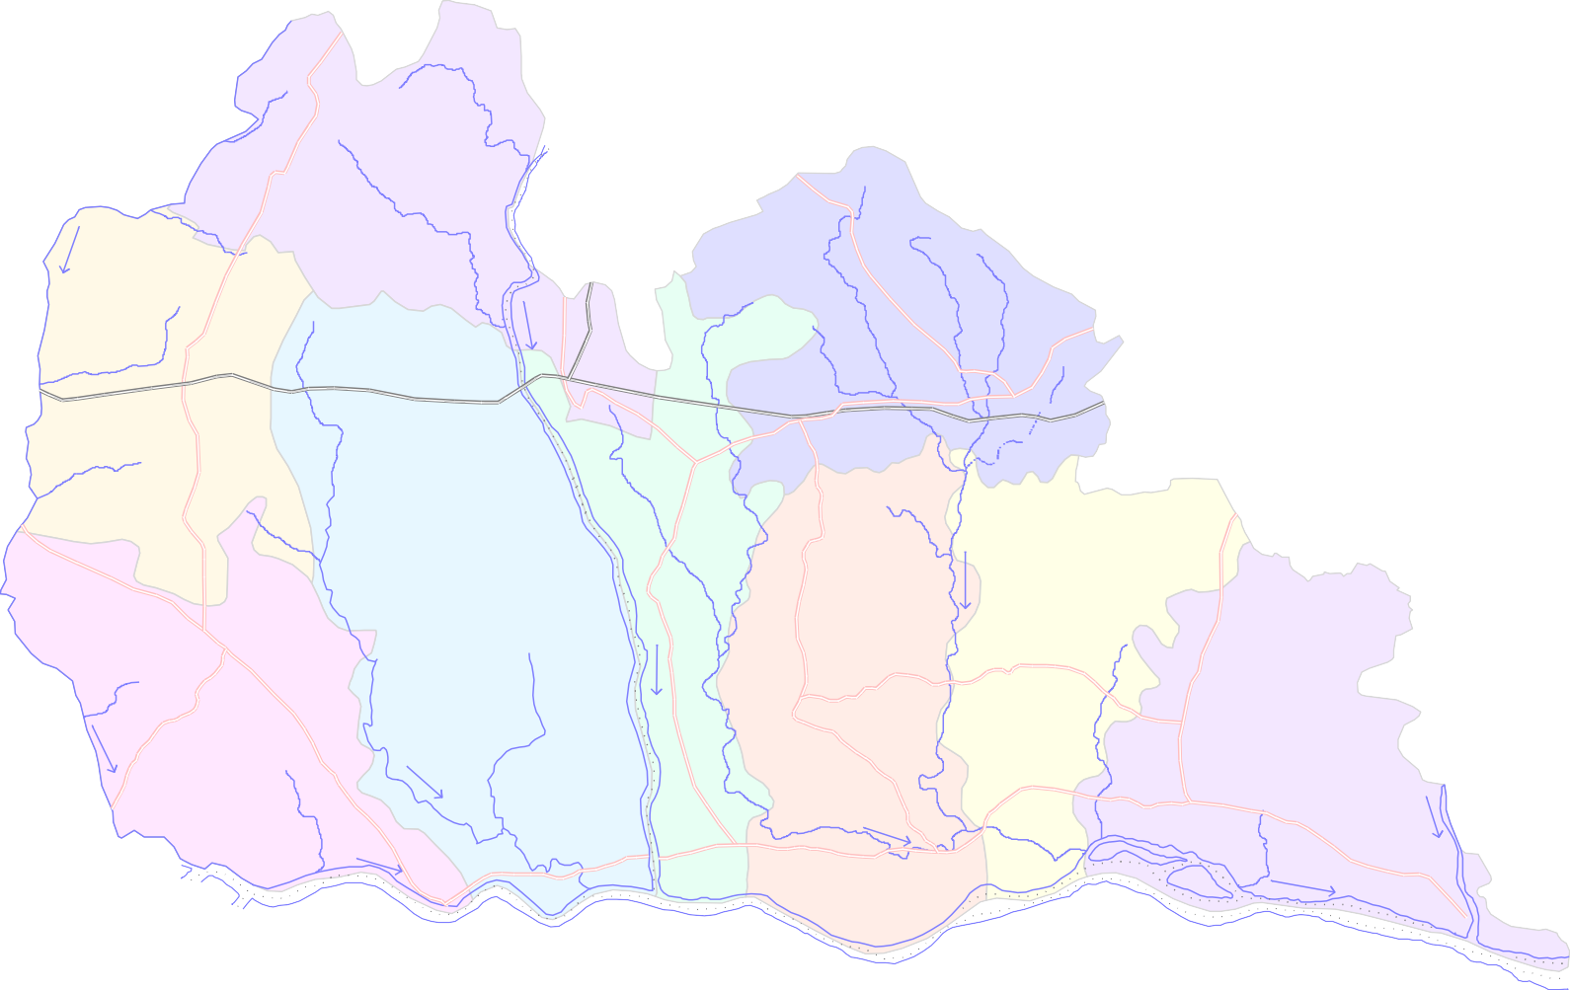  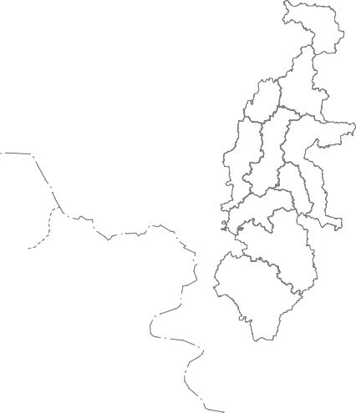 L e g e n d  Plate 1 Index map of Janjgir- Champa District District Boundary 0 8 16 Block Boundary kilometers  Place  Dabhra National Hydrograph Station · 26 Exploratoty Well  Piezometer Well   Baloda 7 Road   3 · Railway Line · · River 20 Key Map      Akaltara   22 Sakti   2 Champa  ·   ·  12 · 5   ·     JANJGIR 23 ·   
15' 22°
00' 21°
45'
82° |  |  |  |  |  |  |  |  |  | 30' 82° |  |  |  |  |  |  |  |  |  |  |  |  |  |  | 45' 83° |  |  |  |  |  |  |  |  |  |  | 00' 83° |  |  |  |  |  |  |  | 15'
off in the area. Similarly stream frequency of the district is 0.069 which is also very less showing flatness of the area and absence of any structural control. Around 20% of the total area of the district is covered by forest. About 98% of the district is covered by plain land (dissected pediplain). The land is very fertile and is mostly used for the agriculture purposes with surface irrigation facilities. However, residual hills are found in parts of northern area, which forms 2 % of the total area of the district. The eastern bank of Hasdeo River and parts of northern bank of Mahanadi is occupied by Alluvial Plain.The district does not have any large or medium
Borewells |  |  |  |  |  |  |  |  |  |  |  |  | Dugwells Ponds Others
1% 2% 4%
Canal 92%
Fig. 1: Area irrigated through different sources (of net irrigated area)
scale irrigation project of its own. However the multipurpose Hasdeo-Bango project of Korba district feeds Janjgir- Champa district through its right bank and left bank canals. The Hasdeo-Bango project has been considered as life supporting canal irrigation facility for the district. Nearly 73% of the net sown area of the district is irrigated by all the sources. Irrigation by surface water alone covers almost 92% of the net irrigated area. The irrigation intensity in the district is the highest in the state. Nearly 113.62 sq. km area spread over the entire district (6% of the net irrigated area) is irrigated by ground water. Fig. 1 shows the details of different sources used for irrigation in the district. Central Ground Water Board carries out different hydrogeological studies related to assessing the prevailing hydrogeological conditions, ground water potential, level of development and management of ground water resources through different surveys and studies like exploratory drilling, geophysical studies, geochemical studies, ground water level monitoring, systematic hydrogeological studies, reappraisal hydrogeological studies in the district. The whole district was covered by Systematic Hydrogeological Survey by CGWB in the year 1989. Reappraisal hydrogeological survey was carried out by CGWB in the year 1995 and in 2002-03 to know the ground water potential, behaviour and development in the district. CGWB under its accelerated drilling programme in drought- affected districts of Chhattisgarh has carried out exploration in all the blocks of the district in the year 2000-2001. District hydrogeological report of undivided Bilaspur district (Janjgir-
Champa was a part of undivided Bilaspur) was issued by CGWB in the year 1997 and subsequently for Janjgir-Champa in 2001-02. The Block-wise groundwater resources estimation of the district was carried out jointly by CGWB and Water Resource Department, Govt. of Chhattisgarh in 2004. In the district a total of 51 nos of borewells were drilled under exploration programme using DTH rigs. Thirty-six (36) vertical electrical resistivity soundings (VES) were carried out in the area in order to select best sties for drilling. A total of 26 nos. of dug wells (DW) and 15 no. of piezometers (Pz) are monitored four times a year for water levels and one time for water quality in the area. 2.0 RAINFALL AND CLIMATE Janjgir – Champa is endowed with high rainfall. Areas of chronic shortfall are few and localized. The rainfall is typically late in coming, very heavy when it comes, concentrated in a few days and early in termination. The district receives its rainfall mainly from the south-west monsoon which usually sets in the third/fourth week of June and spread over a period from mid June to mid September with heaviest shower in the months of July and August. The average rainfall in the district is 1164 mm in the year 1994 to 2012. The district experiences a hot and semi humid climate. The annual temperature of the district varies between 80C and 460C .The maximum temperature is observed in the month of May and June where as the minimum is observed in the months of December and January.

3.0 GEOMORPHOLOGY & SOIL TYPES Physigraphically the district forms part of the Chhattisgarh plain and extension of Maikhel hill ranges. The general elevation of the district lies between 210 and 350 m amsl (metres above mean sea level). The elevation of northern part of the district is higher than the remaining parts. The general slope is towards south and south-east. The highest point of the district is in Kumhar Pahar (865 m amsl), located at Sakti block on northern boundary of the district. The prominent hills (Maikhel range) trend roughly ENE- & EW along the northern boundary of the district. The lowest point (200m amsl) is situated in the south-eastern corner of the district on the bank of Mahanadi near Chandarpur in Dabhra block. Geomorphologically the district is having matured type of land forms and can be broadly divided into four prominent geomorphic units. These are 1. Residual Hills (Igneous & Metamorphics) formed by Archaean Crystalline and Metamorphics, 2. Structural Hills (Vindhyans of Chhattisgarh) formed by Proterozoic sandstones, 3. Dissected Pediplain (Vindhyans of Chhattisgarh) made by Proterozoic shale-limestone-dolomite area and 4. Alluvial Plain formed by Mahanadi Alluvium. The red & yellow soil covers the maximum part of district. However red gravelly and sandy soil covers the northern hilly, crystalline-metamorphic rock terrain. Laterite and deep black soil is found over some parts of limestone terrain. 4.0 GROUND WATER SCENARIO 4.1 Hydrogeology Hydrogeologically the district can be categorised into three groups. i) The Archaean rocks consisting of granites, schists and metamorphics ii) Proterozoic sediments belonging to Chhattisgarh Supergroup mainly consisting of limestone, shales, dolomites and sandstones, and iii) The unconsolidated alluvium along the major river courses of Hasdeo and Mahanadi. 4.1.1 Archaean Cry

4.1.2 Proterozoic Sedimentaries Around 89% of the total area of the district is covered with these rocks. These rocks belong to Chhattisgarh Supergroup and are marine in origin and mainly consist of sandstone, limestone, shale and dolomites. The primary porosity and permeability of these formations is very poor. The ground water in these formations occurs under water table and semi confined conditions. The thickness of the weathered mantle varies between 6 and 23 m. The weathered and the cavernous part of the formation and also the fractured zones constitute the aquifers in the area. These formations are most potential in the district and are well developed. Limestone, shale and dolomite form the main aquifer system in the district. Charmuria limestone and Gunderdehi shale in the district are not promising from ground water point of view. The shale dominated Bamnidih formation is also not promising. The karstic Chandi, Bamandihi and Saradihi limestone and dolomite provide good repository of groundwater. Groundwater in the karstic formation occurs in solution cavities and fractures. The intensity of the solution cavities is higher in the upper 80 m. However potential fractures are also obtained down to 146 m depth. The shale dominated Gunderdehi, Raigarh and Bamandihi Formation have water bearing zones in the top 6 to 18 m followed by fracture zone down to 140 m depth. The deeper fractures in shale have yielded around 2 lps discharge whereas the upper zone is dry in premonsoon season. Shale of Raigarh Formation is more brittle in the northern parts of Sakti, Malkharoda blocks where discharge of more than 3 lps has been found. The N-S faulted boundary between Bamandihi shale and Saradihi dolomite have provided sharp contrast in the availability of water in the area with Saradihi dolomite having greater potential. 4.1.3 Unconsolidated Sediments

blocks which comes under the canal command area. The water levels in the range of 10 to 12.25 m is observed in 15 % of cases and covers mostly in the parts of Baloda and Shakti blocks which are mostly underlain by shales of the Chhattisgarh Supergroup and older metamorphics. 4.1.4.2 Depth to Water Level- Post-monsoon (November 2012) The depth to water level measured during the post-monsoon period in the month of November 2009 is presented in Plate-III. The average depth to water level in the district during post-monsoon period is 3 m bgl. From the Fig. 3 it is clear that the water levels during the post-monsoon period are mostly varying from 0 to 5 m. The water levels in the range of 5 to 8.4 m are observed in Baloda and southern parts Pamgarh, Nawagarh, Jaijaipur and Malkharoda blocks. In the entire district the water levels in the month of November have shown a rise when compared with that of in the month of May. Least fluctuation of water level was observed in parts of Akaltara and Pamgarh blocks under the canal command area. Highest fluctuation was observed mostly in the northern parts of the district. The long term water level trend analysis shows that during the pre-monsoon period around 77% of the wells have a rising trend of water levels and the rest 23% have a falling trend. Around 46% of the wells show either rise or fall in the range of 0 to 0.2 m/yr, which is practically insignificant. Most of the falling trends (41%) are in the range of 0 to 0.2 m/yr. The maximum falling trend is observed in the monitoring wells at Dabhra followed by Shakti and Baloda. The rising trend has been observed in Pamgarh, Janjgir and Malkharoda wells. The rising trend is observed mainly in the canal command area and the falling trend is more significant in the shale covered area and areas covered with the older metamorphics in the northern parts of the district. The long-term fall of water level during pre-m

22° | 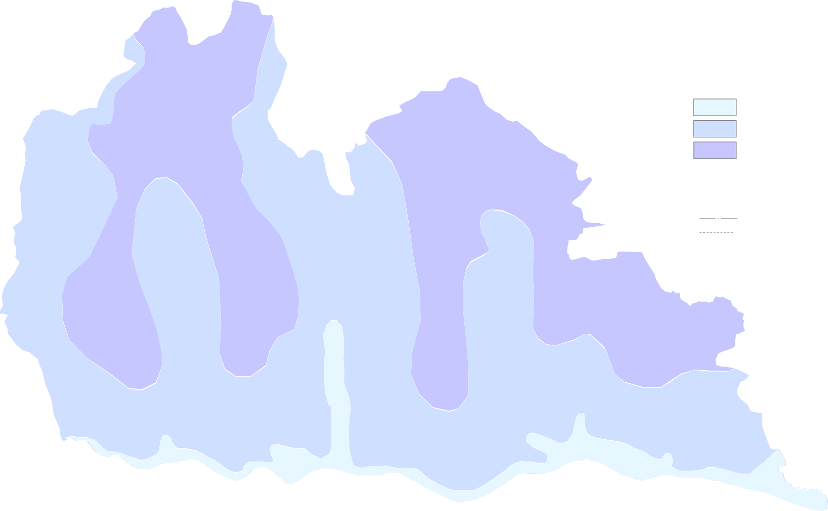 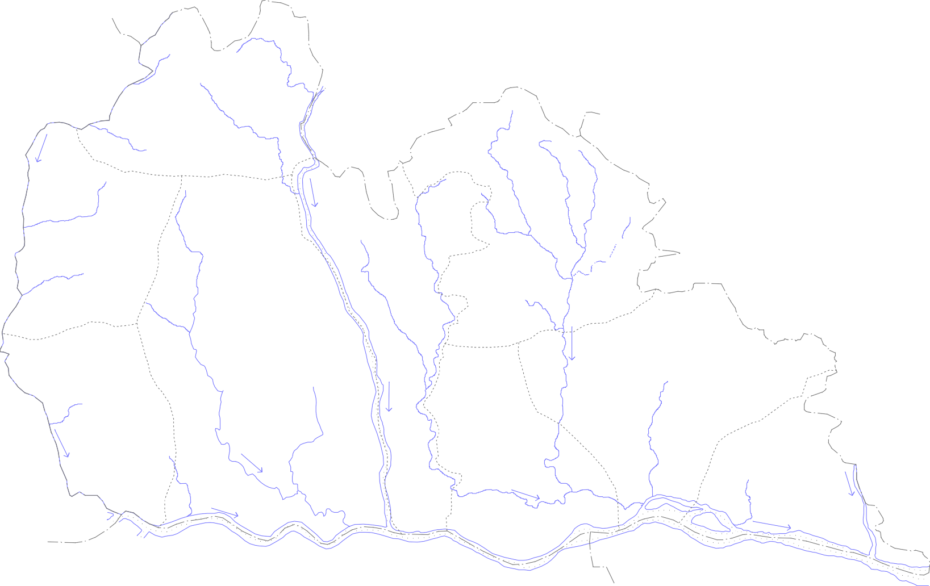 Plate II Premonsoon (May 2012) depth to water level   Baloda 7   3 · · · 20      Akaltara     2 Champa  ·  12 · 5   ·     JANJGIR 23 ·    28  · ·   17  Pamgarh · 4  21    14 · 25· · Jaijaipur  12 ·      9 16 · ·   24   · |  |  |  |  |  |  |  |  |  |  |  |  |  |  |  |  |  |  |  |  |  |  |  |  |  |  |  |  |  |  |  |  | 22 · Sakti    · 1   8 ·  Malkharoda  27  · 19 ·  10·  Dabhra   · 6  |  |  |  |  |  |  |  |  0 8 16 kilometers L e g e n d Depth to water level (mbgl) 0 to 5 5 to 10 10 to 15  National hydrograph station  Piezometer  Exploratory wells District boundary Blockboundary  Block HQ  · 18  
15'
22°
00'
21°
45'
82° |  |  |  |  |  |  |  |  |  |  | 30' 82° |  |  |  |  |  |  |  |  |  |  |  |  |  |  | 45' 83° |  |  |  |  |  |  |  |  |  |  |  | 00' 83° |  |  |  |  |  |  | 15'
s
22° | 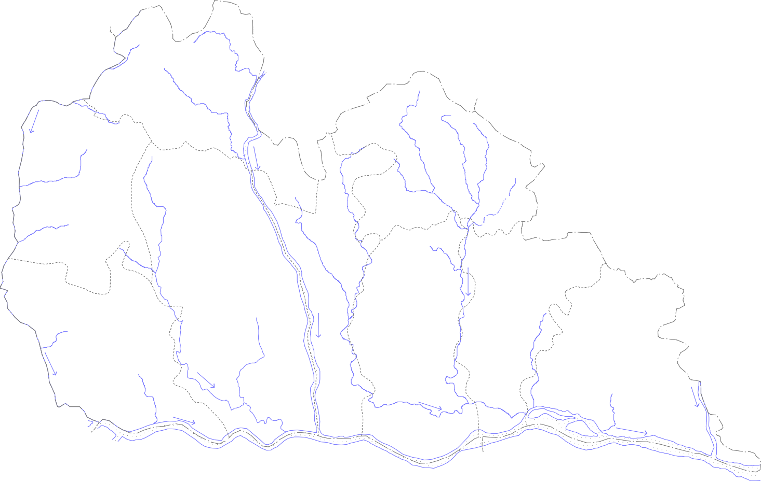 Plate III Post-monsoon (Nov. 2012) depth to water level   Baloda 7   3 · · · 20      Akaltara     2 Champa  · · 5   12  ·     JANJGIR 23 ·    28  · ·   17  Pamgarh · 4  21    14 ·  25· · Jaijaipur  12 ·      9 16 · ·   24   · |  |  |  |  |  |  |  |  |  |  |  |  |  |  |  |  |  |  |  |  |  |  |  |  |  |  |  | 22 · Sakti    · 1   8 ·  Malkharoda  27  · 19 ·  10·  Dabhra   · 6  |  |  |  |  |  |  |  |  |  |  |  0 8 16 kilometers L e g e n d Depth to water level (mbgl) 0 to 3 3 to 6 6 to 9  National hydrograph station  Piezometer  Exploratory wells District boundary Blockboundary  Block HQ  · 18  
15'
22°
00'
21°
45'
82° |  |  |  |  |  |  |  | 30' 82° |  |  |  |  |  |  |  |  |  |  |  |  |  | 45' 83° |  |  |  |  |  |  |  |  |  |  | 00' 83° |  |  |  |  |  |  |  |  | 15'

s
22° | 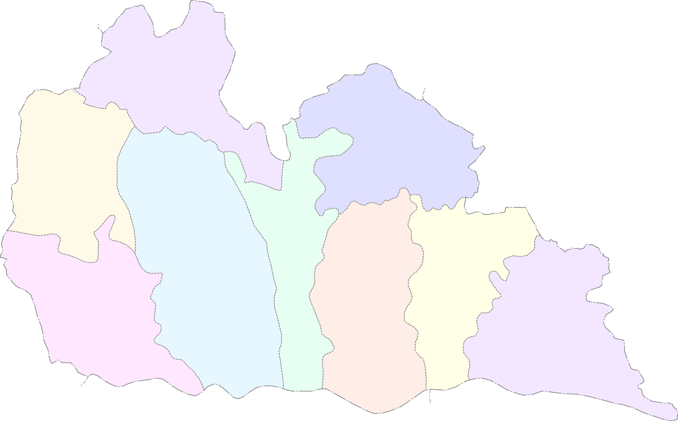 Plate- IV |  |  | 3794.51 2824.89 |  | Baloda  Akaltara  857.14 22.59 Pamgarh  3968.63 1084.92 2766.55 27.34 |  |  |  |  |  | Ground Water Resource (as on March 2009) Map of Janjgir Champa District  0 8 kilometers L e g e n d Net Annual Ground Water Ground Water Availability (ham) Draft (ham) 3823.08 1169.77 2542.71 30.6 Ground Water Resource Stage of Ground Water for Future Use (ham) Development (%) 3474.77 1904.02  1470.4 54.8 Sakti Champa    JANJGIR 3051.66 2084.98 868.57 68.32 6536.83 1430.44 4066.48 2878.51 4923.83 21.88 1083.89 70.79 5111.46 2848.01 2148.26 55.72 Malkharoda  Jaijaipur 3599.1 1927.76  1552.44 53.56 Dabhra  |  |  |  |  |  |  |  |  |  |  |  |  |  |  |  |  |  |  |  |  |  |  |  |  |  |  |  |  |  |  |  |  |  | 16
15'
22°
00'
21°
45'
82° |  |  |  |  |  |  |  |  | 30' 82° |  |  |  |  |  |  |  |  |  |  |  |  |  |  | 45' 83° |  |  |  |  |  |  |  |  |  |  | 00' 83° |  |  |  |  |  |  |  | 15'

4.1.6 Aquifer Parameters A total of 51 exploratory wells and four observation wells are constructed in the district to delineate the aquifer geometry and to estimate different aquifer parameters. The Precambrian sedimentaries are the potential aquifers in the district. The transmissivity and specific yield of different formations varies in wide limits. In Archaean crystallines only four wells are drilled and their discharge is very low i.e. less than 1 lps. The transmissivity (T) value in general is less except a few exceptions and the average specific capacity is less than 5 lpm/m of drawdown. The Chandi, Saradih and Raigarh Formations form good aquifers. The specific capacity value recorded for the exploratory wells at Pota in saradih Formation is exceptionally high and is the order of 965 lpm/m of drawdown. Table- 2 is presented here to show the transmissivity and specific capacity obtained for different formations in the area. 4.2 Ground Water Resources The total ground water recharge from all the sources is 39396.34 ham. The net ground water available is 37426.52 ham. Existing gross ground water draft for all purposes is 16185.55 ham out of which 13225.09 ham is for irrigation and 2935.46 ham is for domestic and industrial water supply. The stage of the ground water development in the district is 43.25 %. The Malkharoda block (70.79 %) has the highest stage of ground water development followed by Bamnidih (68.32 %) and Jaijajpur (55.72 %) blocks.Except Malkharoda(Semicritical) remoning blocks are safe for future groundwater development. At present the total irrigated area by groundwater in the district is 11362 ha. The block wise resource is presented in Plate-IV and table 3 .

Table 2: Range of Transmissivity (T) and Sp. Capacity
Sl. No. |  |  | Formation |  |  |  |  | Transmissivity (m2/day) |  |  |  |  |  |  |  |  |  |  |  |  |  |  |  |  |  |  | Sp Capacity (lpm/m)
 |  |  |  |  |  |  |  | Min |  |  |  |  |  | Max |  |  |  |  |  |  | Average |  |  |  |  |  | Min |  |  | Max |  |  |  |  | Average
1 |  |  | Saradih |  |  |  |  | 7.6 |  |  |  |  |  | 65 |  |  |  |  |  |  | 41.15 |  |  |  |  |  | 13.18 |  |  | 44.3 |  |  |  |  | 28.39
2 |  |  | Bamnidih |  |  |  |  | 5.1 |  |  |  |  |  | 105.4 |  |  |  |  |  |  | 23.78 |  |  |  |  |  | 0.75 |  |  | 121.9 |  |  |  |  | 14.35
3 |  |  | Chandi |  |  |  |  | - |  |  |  |  |  | 130 |  |  |  |  |  |  | - |  |  |  |  |  | 11 |  |  | 198 |  |  |  |  | 213.9
4 |  |  | Raigarh |  |  |  |  | 57.3 |  |  |  |  |  | 64.4 |  |  |  |  |  |  | 62 |  |  |  |  |  | 1.18 |  |  | 59.88 |  |  |  |  | 20.78
5 |  |  | Archaeans |  |  |  |  | - |  |  |  |  |  | 80.8 |  |  |  |  |  |  | - |  |  |  |  |  | 0.9 |  |  | 8.72 |  |  |  |  | 4.82
Table 3: Ground water resource of Janjgir-Champa district as on March 2009
Assessment Unit / Block/Command / Non Command |  |  |  |  |  |  | Total Annual Recharge in Ham |  |  | Net Ground Water Availability in Ham |  |  |  |  | Existing Gross Ground Water Draft for Irrigation in Ham |  |  |  |  | Existing Gross Ground Water Draft for Domestic & Industrial Water Supply in Ham |  |  |  |  | Existing Gross Ground Water Draft for All Uses in Ham |  |  | Allocation For Domestic & Industrial Water Supply in Ham |  |  |  | Net Ground Water Availability for Future Irrigation Development in Ham |  |  |  |  | Stage of Ground Water Development in %
Akaltara
Command |  |  |  |  |  |  | 2144.27 |  |  | 2037.06 |  |  |  |  | 274.5 |  |  |  |  | 152.6 |  |  |  |  | 427.1 |  |  | 207.68 |  |  |  | 1554.88 |  |  |  |  | 20.97
Non Command |  |  |  |  |  |  | 1849.95 |  |  | 1757.45 |  |  |  |  | 271.02 |  |  |  |  | 159.02 |  |  |  |  | 430.04 |  |  | 216.42 |  |  |  | 1270.01 |  |  |  |  | 24.47
Block Total |  |  |  |  |  |  | 3994.22 |  |  | 3794.51 |  |  |  |  | 545.52 |  |  |  |  | 311.62 |  |  |  |  | 857.14 |  |  | 424.1 |  |  |  | 2824.89 |  |  |  |  | 22.59
Baloda
Command |  |  |  |  |  |  | 927.31 |  |  | 880.94 |  |  |  |  | 172.01 |  |  |  |  | 56.63 |  |  |  |  | 228.64 |  |  | 77.07 |  |  |  | 631.86 |  |  |  |  | 25.95
Non Command |  |  |  |  |  |  | 3096.99 |  |  | 2942.14 |  |  |  |  | 691.31 |  |  |  |  | 249.82 |  |  |  |  | 941.13 |  |  | 339.98 |  |  |  | 1910.85 |  |  |  |  | 31.99
Block Total |  |  |  |  |  |  | 4024.3 |  |  | 3823.08 |  |  |  |  | 863.32 |  |  |  |  | 306.45 |  |  |  |  | 1169.77 |  |  | 417.05 |  |  |  | 2542.71 |  |  |  |  | 30.6
Bamnidih
Command |  |  |  |  |  |  | 2076.27 |  |  | 1972.46 |  |  |  |  | 919.29 |  |  |  |  | 160.14 |  |  |  |  | 1079.43 |  |  | 217.93 |  |  |  | 835.24 |  |  |  |  | 54.73
Non Command |  |  |  |  |  |  | 1136 |  |  | 1079.2 |  |  |  |  | 893.8 |  |  |  |  | 111.75 |  |  |  |  | 1005.55 |  |  | 152.07 |  |  |  | 33.33 |  |  |  |  | 93.18
Block Total |  |  |  |  |  |  | 3212.27 |  |  | 3051.66 |  |  |  |  | 1813.09 |  |  |  |  | 271.89 |  |  |  |  | 2084.98 |  |  | 370 |  |  |  | 868.57 |  |  |  |  | 68.32
Dabhara
Command |  |  |  |  |  |  | 1884.52 |  |  | 1790.29 |  |  |  |  | 671.53 |  |  |  |  | 137.84 |  |  |  |  | 809.37 |  |  | 187.59 |  |  |  | 931.17 |  |  |  |  | 45.21
Non Command |  |  |  |  |  |  | 1904.01 |  |  | 1808.81 |  |  |  |  | 926.79 |  |  |  |  | 191.6 |  |  |  |  | 1118.39 |  |  | 260.75 |  |  |  | 621.27 |  |  |  |  | 61.83
Block Total |  |  |  |  |  |  | 3788.53 |  |  | 3599.1 |  |  |  |  | 1598.32 |  |  |  |  | 329.44 |  |  |  |  | 1927.76 |  |  | 448.34 |  |  |  | 1552.44 |  |  |  |  | 53.56
Jaijaipur
Command |  |  |  |  |  |  | 3075.57 |  |  | 2921.79 |  |  |  |  | 1439.4 |  |  |  |  | 179.45 |  |  |  |  | 1618.85 |  |  | 244.22 |  |  |  | 1238.17 |  |  |  |  | 55.41
Non Command |  |  |  |  |  |  | 2304.92 |  |  | 2189.67 |  |  |  |  | 1089.43 |  |  |  |  | 139.73 |  |  |  |  | 1229.16 |  |  | 190.15 |  |  |  | 910.09 |  |  |  |  | 56.13
Block Total |  |  |  |  |  |  | 5380.49 |  |  | 5111.46 |  |  |  |  | 2528.83 |  |  |  |  | 319.18 |  |  |  |  | 2848.01 |  |  | 434.37 |  |  |  | 2148.26 |  |  |  |  | 55.72
Janjgir
Command |  |  |  |  |  |  | 4218.79 |  |  | 4007.85 |  |  |  |  | 554.99 |  |  |  |  | 274.26 |  |  |  |  | 829.25 |  |  | 373.24 |  |  |  | 3079.62 |  |  |  |  | 20.69
Non Command |  |  |  |  |  |  | 2662.08 |  |  | 2528.98 |  |  |  |  | 369.6 |  |  |  |  | 231.59 |  |  |  |  | 601.19 |  |  | 315.17 |  |  |  | 1844.21 |  |  |  |  | 23.77
Block Total |  |  |  |  |  |  | 6880.87 |  |  | 6536.83 |  |  |  |  | 924.59 |  |  |  |  | 505.85 |  |  |  |  | 1430.44 |  |  | 688.41 |  |  |  | 4923.83 |  |  |  |  | 21.88
Malkharoda
Command |  |  |  |  |  |  | 2896.09 |  |  | 2751.29 |  |  |  |  | 1615.91 |  |  |  |  | 199.1 |  |  |  |  | 1815.01 |  |  | 270.95 |  |  |  | 864.43 |  |  |  |  | 65.97
Non Command |  |  |  |  |  |  | 1384.41 |  |  | 1315.19 |  |  |  |  | 974.17 |  |  |  |  | 89.33 |  |  |  |  | 1063.5 |  |  | 121.56 |  |  |  | 219.46 |  |  |  |  | 80.86
Block Total |  |  |  |  |  |  | 4280.5 |  |  | 4066.48 |  |  |  |  | 2590.08 |  |  |  |  | 288.43 |  |  |  |  | 2878.51 |  |  | 392.51 |  |  |  | 1083.89 |  |  |  |  | 70.79
Pamgarh
Command |  |  |  |  |  |  | 3116.61 |  |  | 2960.78 |  |  |  |  | 290.42 |  |  |  |  | 242.88 |  |  |  |  | 533.3 |  |  | 330.54 |  |  |  | 2339.82 |  |  |  |  | 18.01
Non Command |  |  |  |  |  |  | 1060.9 |  |  | 1007.85 |  |  |  |  | 469.89 |  |  |  |  | 81.73 |  |  |  |  | 551.62 |  |  | 111.23 |  |  |  | 426.73 |  |  |  |  | 54.73
Block Total |  |  |  |  |  |  | 4177.51 |  |  | 3968.63 |  |  |  |  | 760.31 |  |  |  |  | 324.61 |  |  |  |  | 1084.92 |  |  | 441.77 |  |  |  | 2766.55 |  |  |  |  | 27.34
Sakti
Command |  |  |  |  |  |  | 2110.26 |  |  | 2004.75 |  |  |  |  | 563.71 |  |  |  |  | 162.55 |  |  |  |  | 726.26 |  |  | 221.23 |  |  |  | 1219.81 |  |  |  |  | 36.23
Non Command |  |  |  |  |  |  | 1547.39 |  |  | 1470.02 |  |  |  |  | 1062.32 |  |  |  |  | 115.44 |  |  |  |  | 1177.76 |  |  | 157.11 |  |  |  | 250.59 |  |  |  |  | 80.12
Block Total |  |  |  |  |  |  | 3657.65 |  |  | 3474.77 |  |  |  |  | 1626.03 |  |  |  |  | 277.99 |  |  |  |  | 1904.02 |  |  | 378.34 |  |  |  | 1470.4 |  |  |  |  | 54.8
DISTRICT TOTAL |  |  |  |  |  |  | 39396.34 |  |  | 37426.52 |  |  |  |  | 13250.09 |  |  |  |  | 2935.46 |  |  |  |  | 16185.55 |  |  | 3994.89 |  |  |  | 20181.54 |  |  |  |  | 43.25
4.3 Ground Water Quality The quality of the ground water in the phreatic zone is suitable for domestic, agriculture and industrial purposes as all the basic chemical parameters are well within the prescribed limits of BIS. Ground water in the district is mostly calcium bicarbonate type with temporary hardness. The value of electrical conductivity (EC) in the phreatic zone ranges from as low as 241 micro-siemens/cm to 2240 micro-siemens/cm. Concentration of nitrate more than the permissible limit has been observed only in one observation well at Saragaon which might be due to unscientific disposal of waste. Apart from this no ground water quality issue has been observed in the district. 4.4 Status of Ground Water Development The ground water development in the district is mainly for domestic and irrigation purposes. Nearly 90% of the population is living in the rural areas. The estimated ground water draft for the domestic purposes is only 6.5% of the net available resource. On the other hand the ground water draft for irrigation purposes is around 25.7% of the net available resources. The ground water draft for industrial purposes is very meager. Existing gross ground water draft for all purposes is 16185.55 ham out of which 13225.09 ham is for irrigation and 2935.46 ham is for domestic and industrial water supply. The stage of ground water development is of the order of 43.25% as on March 2009. The stage of ground water development in Baloda, Pamgarh, Akaltara and Nawagarh blocks is very low (22 to 30 %) and in rest of the blocks it is varying in the range of 49.12 to 70.79%. The ground water development is highest in Malkharoda bloc(70.79). The stage of ground water development for the entire district has increased from 12 % to 43.25% between the years considered. At present the stage of ground water development in the district is limited to 43.25% leaving beh

22° | 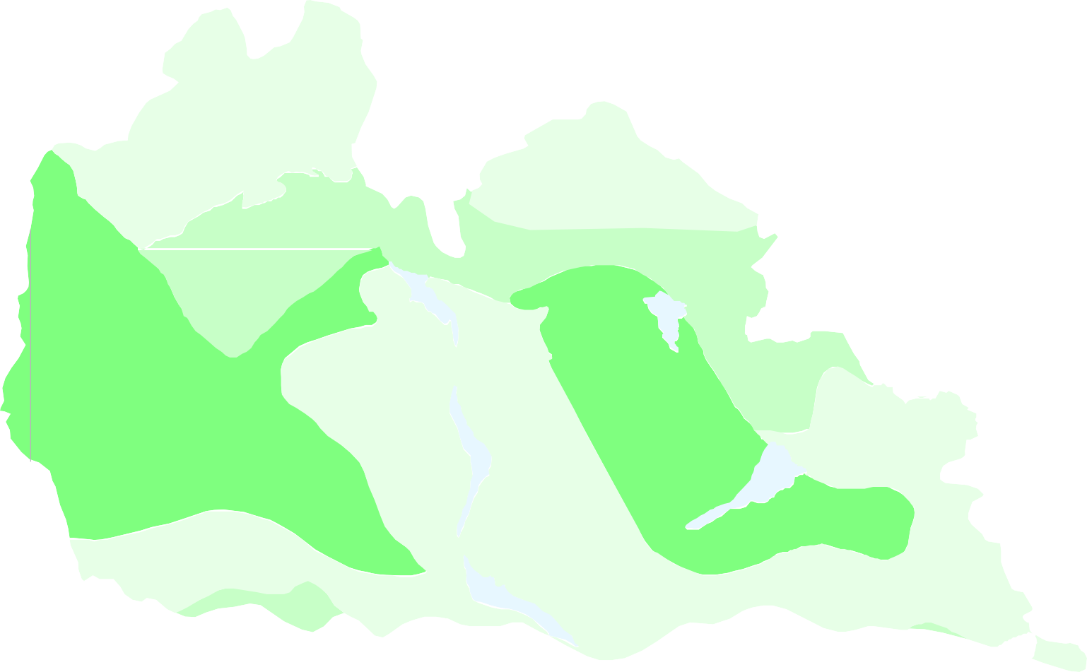  Plate - VI Ground Water Development Potential and Artificial Recharge Prospects  in Janjgir Champa District 0 8 16 L e g e n d kilometers Ground Water Potential Yield ,liter/sec. 1 - 3 1 - 5 1 - 8 Baloda  Area suitable for Dug Well Akaltara  Sakti Dug Well / Bore Well  Champa    DugcumBore Well JANJGIR Artificial Ground Water Recharge  Block HQ Pamgarh Malkharoda   Jaijaipur  Dabhra 
15' 22°
00' 21°
45'
82° |  |  |  |  |  |  |  |  | 30' 82° |  |  |  |  |  |  |  |  |  |  |  |  |  |  | 45' 83° |  |  |  |  |  |  |  |  |  |  | 00' 83° |  |  |  |  |  |  |  | 15'

and Nawagarh blocks and are suitable for artificial recharge (Plate-VI). The rainwater can be harvested by percolation tank and the ground water can be recharged by recharge shaft method. The shale-covered areas can be recharged by injection well method. From ground water contour map (Plate-V) it can be observed that the flow of ground water is towards the major drainage indicating that the water in the river is nothing but the base flow. So suitable obstruction structures may be constructed on the tributaries of major rivers like Hasdeo, Borai, Son to check the base flow which can enhance the pre monsoon depth to water level in the district. 6.0 GROUND WATER RELATED ISSUES & PROBLEMS No problem related to Ground Water was observed in the district except the decline of ground water level during the pre monsoon period in the eastern part of Hasdeo river namely in Malkharoda, Jaijaipur, Dabhra and parts of Bamnidih blocks. The area is famous for paddy crop for which crop water requirement is maximum. As the said area is not entirely covered by canal command area of Hasdeo, which is the lifeline of irrigation in the district, the number of ground water abstraction structures in this area is naturally very high resulting in decline of ground water level in the area. After the completion of the Kharsia branch canal of the Hasdeo-Bango project, the entire district comes under canal command. The blocks of Malkharoda, Jaijaipur, Bamnidih, Dabhra and Sakti which are mainly underlain by shale of different formations come under canal command. As a result there is a chance that the irrigated water from canal may not percolate down efficiently due to the underlying shale layer which may lead to water logging condition in a long run. On the other hand there may be problems of canal water not reaching at the tail end. Keeping all these in view a conjunctive use study may be taken up in the Hasdeo canal command ar

Sl. No. |  |  |  |  | Year |  |  | Programme |  |  |  |  |  |  |  |  |  |  | Venue |  |  |  |  |  |  |  |  |  |  |  | Date
1 |  |  |  |  | 2001-02 |  |  | MAP |  |  |  |  |  |  |  |  |  |  | Malkharoda |  |  |  |  |  |  |  |  |  |  |  | 2002-02-15
2 |  |  |  |  | 2002-03 |  |  | WMTP |  |  |  |  |  |  |  |  |  |  | Arasmeta, Akaltara
3 |  |  |  |  | 2004-05 |  |  | MAP |  |  |  |  |  |  |  |  |  |  | Jaijaipur |  |  |  |  |  |  |  |  |  |  |  | 2004-12-21
8.0 AREAS NOTIFIED BY CGWA/SGWA None of the blocks in the district is categorized as over exploited from ground water abstraction point of view. Only one block i.e Malkharoda is categorized as semi-critical. Hence none of the blocks of the district has been notified by the CGWA/SGWA for regulation of ground water. 9.0 RECOMMENDATIONS I. It has been observed that the crop water applied for paddy in the district (1.12m) is at the much higher side than the crop water requirement (0.69m) thereby wasting a lot of water as paddy is the main crop in the district. Efficient irrigation practices and proper awareness can creat more irrigation potential and bring more area under irrigation. II. Technical input for well construction in alluvium covered hard rock area and for highly cavernous zone can help obtaining good yield and successful construction of wells in this area in the district. Combination type of rigs can successfully drill wells in these areas. III. Large diameter dug wells are recommended as the ground water abstraction structures in the areas underlain by granites and older metamorphic. Similarly dug wells with bore at the bottom are recommended in the low yielding shale area. IV. Improper waste disposal in the areas underlain by limestone and dolomite in and around Champa, Akaltara and Baradwar may cause ground water pollution as the solution channels formed in these rocks act as conduits for direct recharge of surface water to ground water and hence require attention. V. The flow of ground water is observed to be towards the major drainage indicating that the water in the river is nothing but the base flow. So suitable obstruction structures may be constructed on the tributaries of major rivers like Hasdeo, Borai, Son to check the base flow which can enhance the pre monsoon depth to water level in the district. VI. In parts of the Baloda, Malkharoda, Jaijaipur, Bamnidih and

22° | 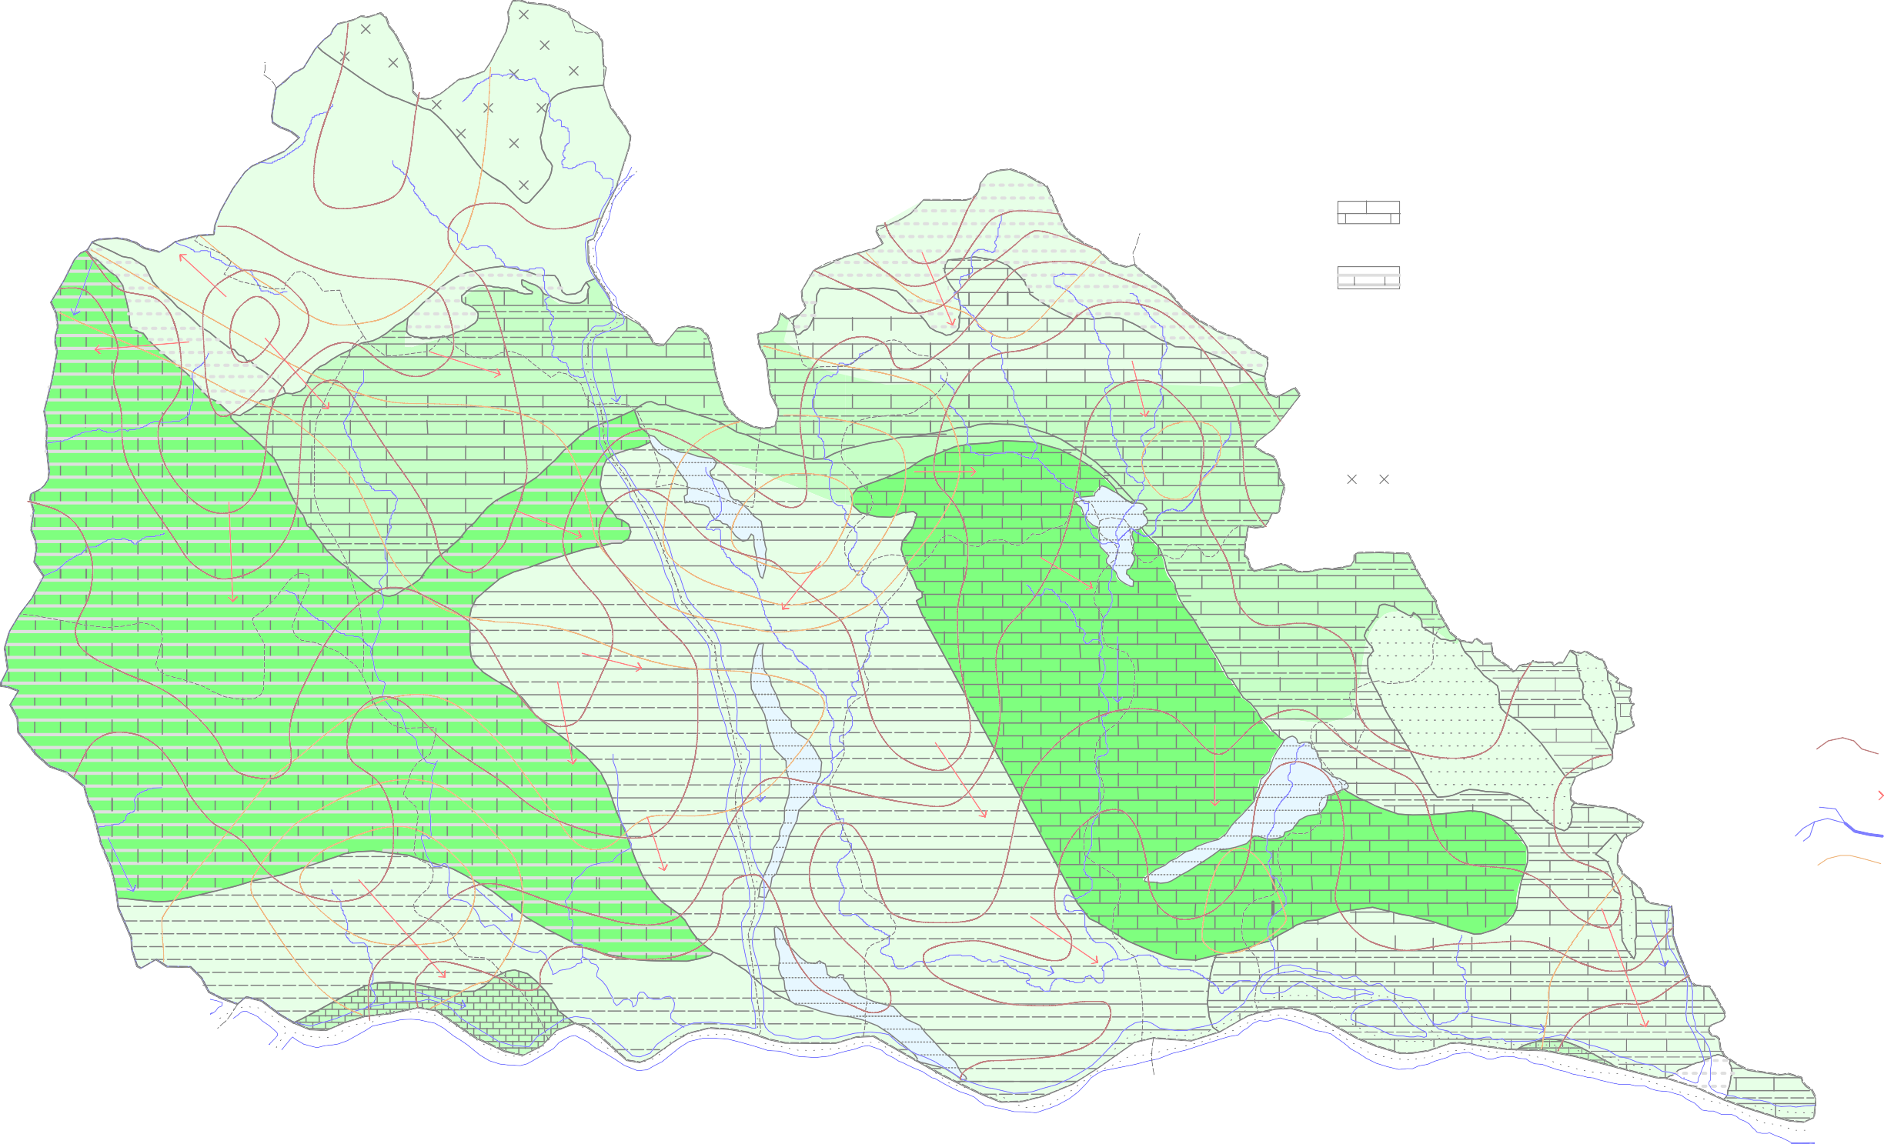 Plate - V HYDROGEOLOGICAL MAP OF JANJGIR CHAMPA DISTRICT    L e g e n d 0 7 14     kilometres     Formation Lithology         Quaternary Sand, Clay & Gravel 270  Baloda     260 Saradihi Formation Dolomite     · 7 Bamnidihi Formation Purple Shale  3     ·    260 Chandi Formation Stromatolytic Limestone & Shale 260
15' 2°
00'
45'
82° |  |  |  |  |  |  |  |  |  |  |  |  |  |  |  | 30' |  |  |  |  |  |  |  |  |  |  |  |  |  |  |  |  |  |  | 45' 83° |  |  |  |  |  |  |  |  |  |  |  | 00' | 15'

2 )

